1. Title Page
Instacart Grocery Basket Analysis

Project Name: Instacart Grocery Basket Analysis
Date: 11/6/22
Analyst Name: Logan White

Contents:
Population Flow
Consistency checks
Wrangling steps
Column derivations
Visualizations
Recommendations

Citation:
The Instacart Online Grocery Shopping Dataset 2017”, Accessed from https://www.instacart.com/datasets/grocery-shopping-2017 on 11/6/22.

2. Population Flow
Title page

Population flow

Exclusion flag
Condition: max_order < 5
Obervations to be removed: 431,697 (used sample data for processing)
Final total count of order_products_all: 9,289,401 (used sample data for processing)

Orders_products_combined
Orders_products_merged
Orders_products_all

Total: 32404859
Total: 32434489
Total: 32,404,859

1.) The grey boxes in the first row of the population flow represent the original data sets as they were when you downloaded them. In the Total fields you need to add the count of the rows when you imported the data set into Jupyter.
2.) The second row of boxes (coloured) represents the data sets after you manipulated them, e.g., removed missing values and duplicates. In the Total fields you need to add the count of the rows after conducting these operations. This offers a visual oveview of how the data flows throughout the data consistency checks.
3.) The third row, where also the arrows are coloured, represents the merges you performed between the datasets. In the Total fields you need to add the count of the rows in the merged datasets, so that you end up with the final dataset (in the red box). Keep in mind the final dataset should be without exclusions (based on the exclusion flag).

3. Consistency checks
 |  |  |  |  | Title page
Consistency checks

Dataset | Column | Missing values | Missing values treatment | Duplicates
orders | days_since_prior_order | 206209 NaN | nothing - indicates first order | no duplicate values found
products | product_name | product_name' = 16 NaN values | New dataset created - Filtered out missing values | 5 duplicate rows removed
orders_products_prior
customers | firstname | 11259 NaN | nothing - firstname is not needed | no duplicate values found

4. Wrangling steps
 |  |  |  | Title page
Wrangling steps

Columns dropped | Columns renamed | Columns' type changed | Comment/Reason
Orders - 'eval_set' |  |  | Only has one value 'prior' and indicates that this was prior data released by instacart.
 | Orders - 'order_dow' -> 'order_day_of_week' |  | order_dow' is not self-explanatory and other stakeholders may be unfamiliar of its meaning of 'day_of_week'
 | Orders - 'days_since_prior_order' -> 'last_order_days' |  | More self-explanatory using last_order_days but both names should suffice
 |  | Orders - 'order_id' as str | order_id' does not represent a real numeric value for any descriptive statisitcs.
 |  | Orders - 'user_id' as str | user_id' does not represent a real numeric value for any descriptive statisitcs.
 | Orders - 'last_order_days' -> 'days_since_prior_order' |  | Keeping column names uniform for instacart brief
 | Customers - 'STATE' -> 'state' |  | made all columns lowercase and no spaces
 | Customers - 'n_dependents' -> 'maritalstatus' |  | This renaming made more sense to me when viewing data.

5. Column derivations
 |  |  |  | Title page

Column derivations and aggregations

In this tab you should add tables below that the frequences of flags/label variables that you produced after deriving them. NB: don't do this for continuous variables, only for flags.
Dataset | New column | Column/s it was derived from | Conditions
ords_prods_merge | price_range | prices | prices < 5 -> 'Low range product' prices > 5 and <= 15 -> 'Mid range product' prices >15 -> 'High range product'
ords_prods_merge | busiest_day | order_day_of_week | order dow = 0 (Saturday) -> 'Busiest day' order dow = 4 (Wednesday) -> 'Least busy' else other dow -> 'Regularly busy'
ords_prods_merge | Busiest_days | order_day_of_week | order dow = 0 (Saturday) or 1 (Sunday) -> 'Busiest days' order dow = 4 (Wednesday) -> 'Least busy' else other dow -> 'Regularly busy'
ords_prods_merge | busiest_period_of_day | order_hour_of_day | order hour = 10 -> 'Most orders' order hour = 3 -> 'Fewest orders' else other hours -> 'Average orders'
ords_prods_merge | max_order | grouby('user_id') | order_number' MAX
ords_prods_merge | loyalty_flag | max_order' | max_order > 40 = 'Loyal customer' max_order > 10 and <= 40 = 'Regular customer' max_order <= 10 = 'New customer'
ords_prods_merge | mean_price | grouby('user_id') | prices' MEAN
ords_prods_merge | spending_flag | mean_price' | mean_price < 10 = 'Low spender' mean_price >= 10 = 'High spender'
ords_prods_merge | median_days_since_prior_order | grouby('user_id') | days_since_prior_order' MEDIAN
ords_prods_merge | order_frequency_flag | median_days_since_prior_order' | median_days_since_prior_order > 20 = 'Non-frequent customer' median_days_since_prior_order > 10 and <= 20 = 'Regular customer' median_days_since_prior_order <= 10 = 'Frequent customer'
customers | fullname | firstname, lastname | Add fullname detail for customers
ords_cust_sample | region | state | https://simple.wikipedia.org/wiki/List_of_regions_of_the_United_States
ords_cust_sample | exclusion_flag | max_order | max_order < 5 = 'Low-activity' max_order >=5='High-activity'
ords_cust_sample | ageprofile | age | age<=24 ='Young Adult' age > 24 and <=64 ='Adult' age>65='Senior'

6. Visualizations
Title page

Visualisations

In this tab you should include all the visualtions from Exercises 4.9 and 4.10, alongside the questions from the project brief that they answer. Include any commentary on the relationship between different variables.

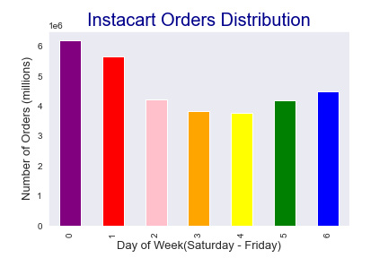
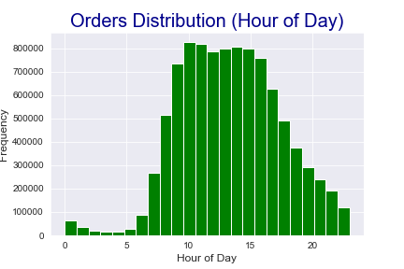
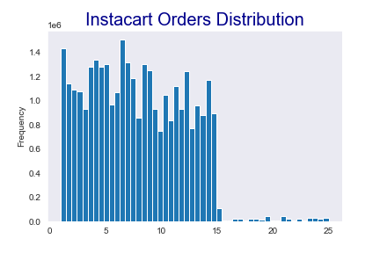
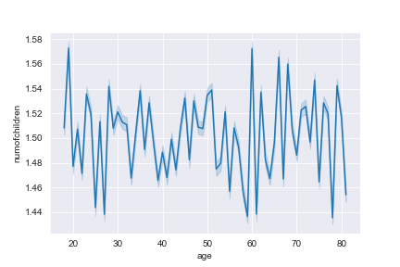
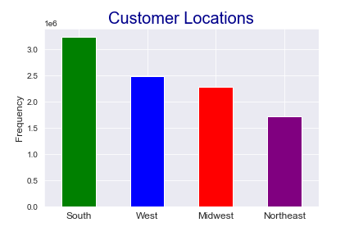

Looking at all instacart data, this visual represents the range of prices for instacart products. Most products are no more than $15 USD.

In a 24 hour day, instacart customers place most ordes between 10am and 4pm. The early morning is when customers are less likely to place an order.
Looking at all instacart data, this visual represents number of orders (million) by day of the Week. Saturday, Sunday and Friday are when instacart can expect the most orders in a typical week.
Regardless of age, customers aged 20 and up typically have at least 1 child as a dependent.
Most customers are located in the South region of the United States.

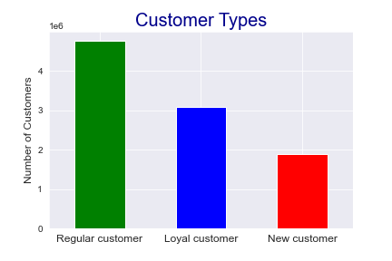
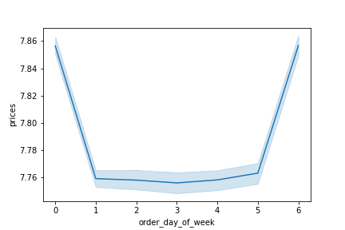
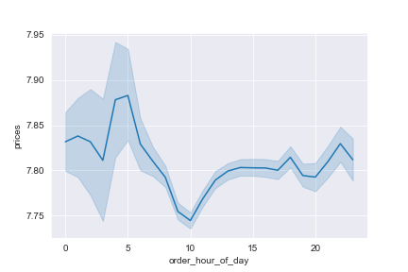
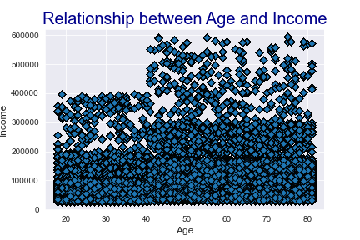

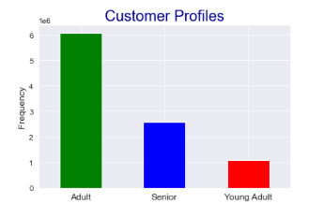

This visual represents at what times during the day customers are spending the most money.
Customers aged 40 and up have a higher spending power and more free cash to spend on products/services like instacart.
Most instacart customers are defined as regular meaning that their max order is between 10 and 40. Loyal customers are around 3 million menaing that they have ordered more than 40 times.
Customers mostly fall into Adult age range (Between 24 and 64)
Based on instacart data for prices, customers spend more on the weekends (Friday - Sunday).

7. Recommendations
 |  | Title page

Recommendations

In this tab you should include any recommendations you would made to Instcart in terms of their marketing strategy based on the questions posed in the brief. Every key question has been covered in the Tasks of the Exercises - here you need to add an item - a visualisation or table/crosstable that is showing the answer in the data, acompanied by a comment from you. Please, list the questions below and add the answer underneath.

Question
1 | The sales team needs to know what the busiest days of the week and hours of the day
 | are (i.e., the days and times with the most orders) in order to schedule ads at times
 | when there are fewer orders.
 | 10-4PM, Friday - Sunday
2 | They also want to know whether there are particular times of the day when people spend
 | the most money, as this might inform the type of products they advertise at these times.
 | Early morning
3 | Instacart has a lot of products with different price tags. Marketing and sales want to use
 | simpler price range groupings to help direct their efforts.
 | Are there certain types of products that are more popular than others? The marketing
 | and sales teams want to know which departments have the highest frequency of product
 | orders.
 | Mid-range products' between 5 and 15 for price. Departments 10 and 21 have the highest average orders, greater than 20.
4 | What’s the distribution among users in regards to their brand loyalty (i.e., how
 | often do they return to Instacart)?
 | 4M+ Regular - 10 and 40 orders 3M+ Loyal - more than 40 orders
5 | Are there differences in ordering habits based on a customer’s loyalty status?
 | Yes, new customers spend the most (avg ~$13. This is followed by regular customers avg ~$12 and loyal customers avg ~$10.
6 | Are there differences in ordering habits based on a customer’s region?
 | In general, most customers across regions are considered low spenders. South region spends more as high spenders than any other region.
7 | Is there a connection between age and family status in terms of ordering habits?
 | Customers typically have at least 1 dependent.
8 | What different classifications does the demographic information suggest? Age?
 | Income? Certain types of goods? Family status?
 | Customers aged 40 and up have a higher spending power and more free cash to spend on products/services like instacart.
9 | What differences can you find in ordering habits of different customer profiles?
 | Consider the price of orders, the frequency of orders, the products customers are
 | ordering, and anything else you can think of.
 | Most customers are considered frequent, meaning that for the median, it has been less than 10 days since their prior order.
 | Departments 10 and 21 are averaging more than 20.

